Template
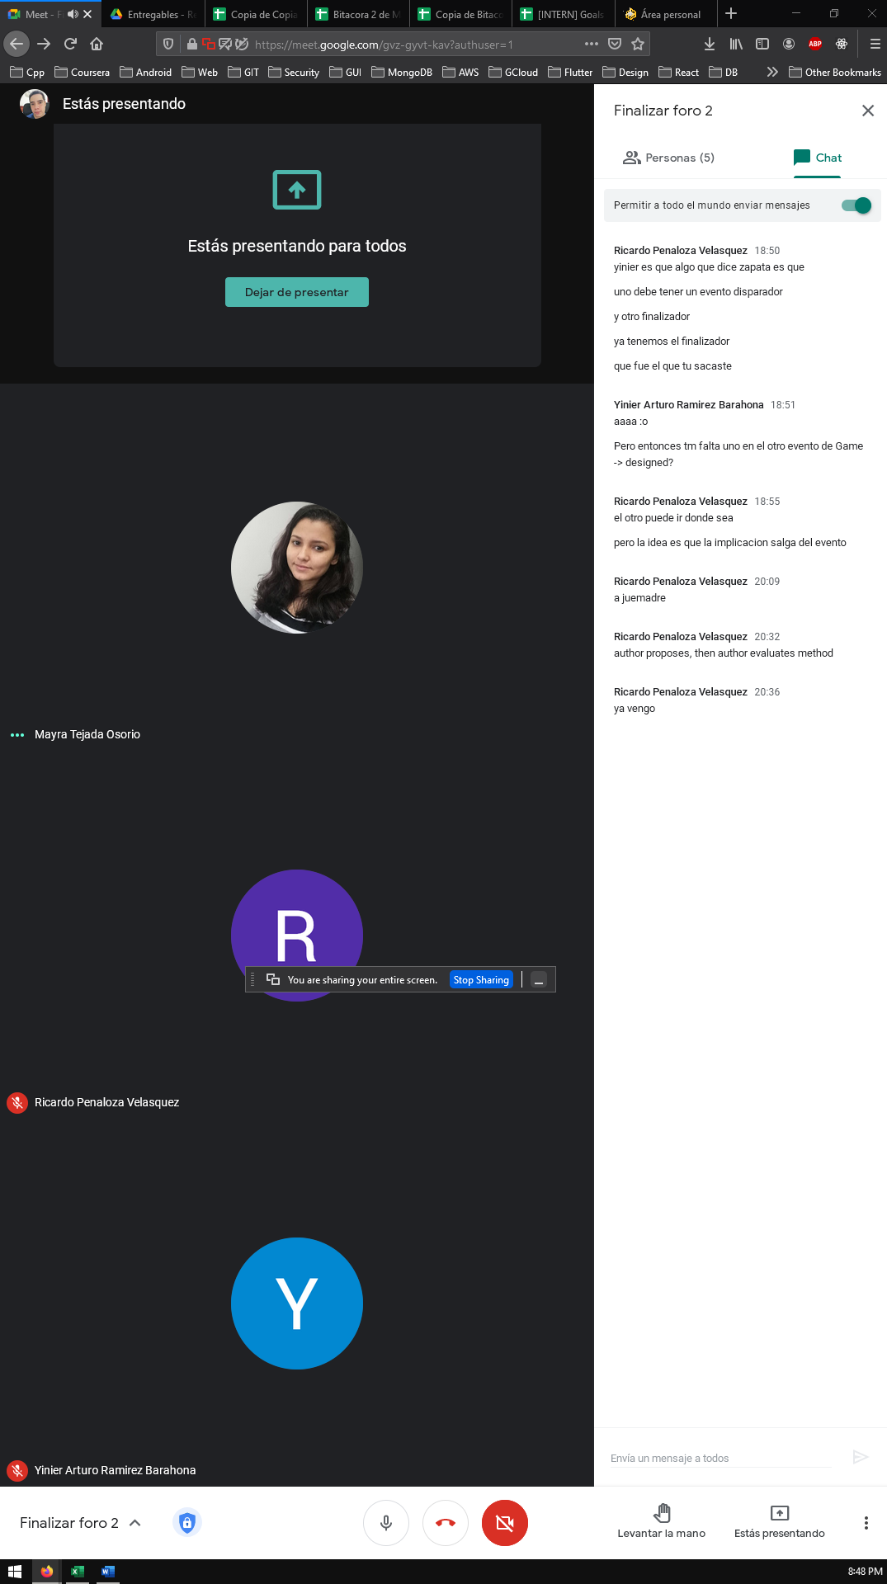
Requirements Engineering 2021 - 1
Juan David Mejia Ardila | Mayra Patricia Tejada Osorio | Yinier Arturo Ramirez Barahona | Ricardo Penaloza Velasquez
Activity Name | Bitacora 2 |  | ID: #T5
Assigned Member | Everyone
Last Updated | 3 - March
Description | Bitacora 2

Proxima Reunion | ..

 | Mayra | Juan | Ricardo | Yinier
Tareas Semana pasada
Tarea
Tarea

